Sheet1
ENFB INSURANCE AGENCY LIMITED
CHAKA PLACE, ARGWINGS KODHEK ROAD, NAIROBI
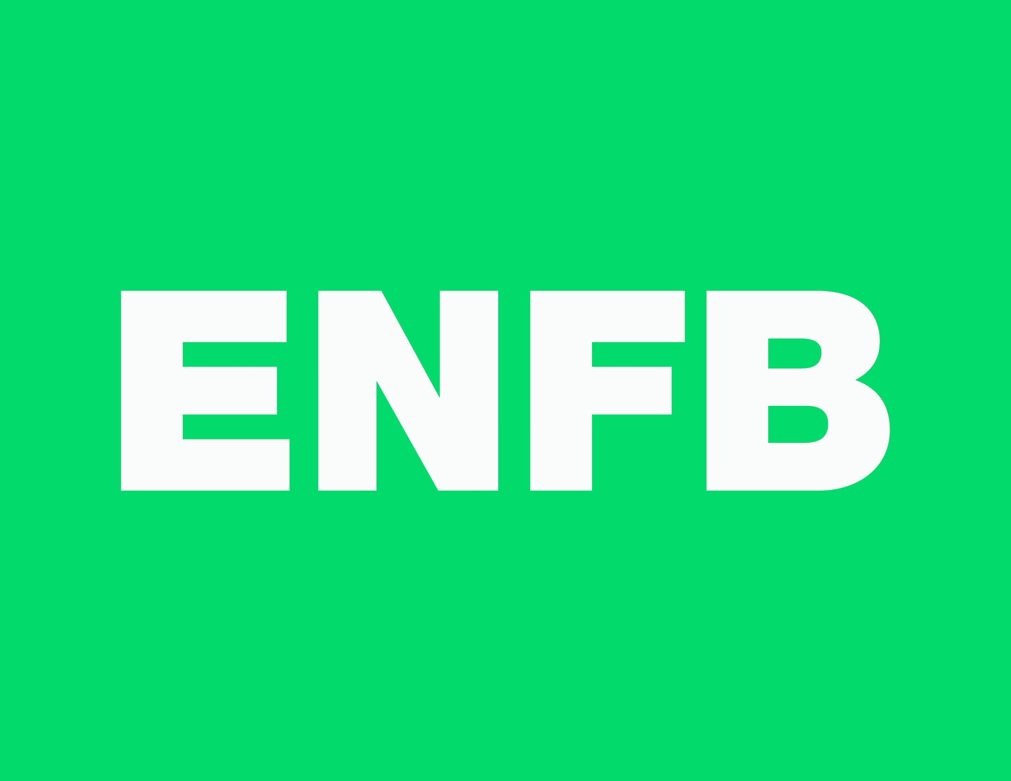
INVOICE
CLIENT: {{CUSTOMER_NAME}} PIN: {{CUSTOMER_PIN}} |  | DATE: {{INVOICE_DATE}}
ITEM NO | CLASS OF POLICY | POLICY NUMBER | PREMIUM
{{ITEM_NO}} | {{POLICY_CLASS}} | {{POLICY_NUMBER}} | {{PREMIUM}}

TOTAL PREMIUM |  |  | {{TOTAL_PREMIUM}}
MPESA TILL NO : 5741183 BANK DETAILS: BANK NAME :AFRICAN BANKING CORPORATION LIMITED (ABC BANK) ACCOUNT NAME :ENFB INSURANCE AGENCY LIMITED ACCOUNT NUMBER :007215001006856 SWIFT CODE :ABCLKENA BRANCH NAME :LIBRA HOUSE

